Sheet1
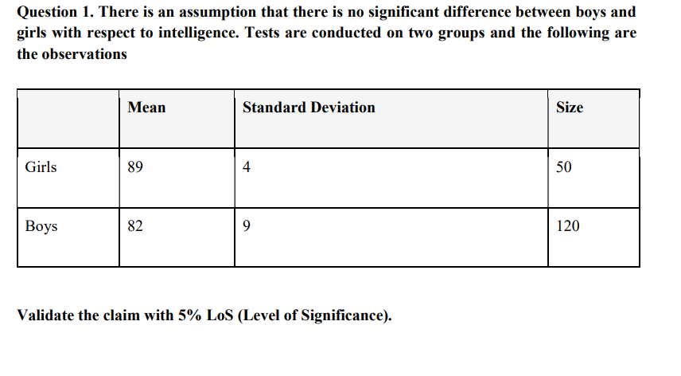
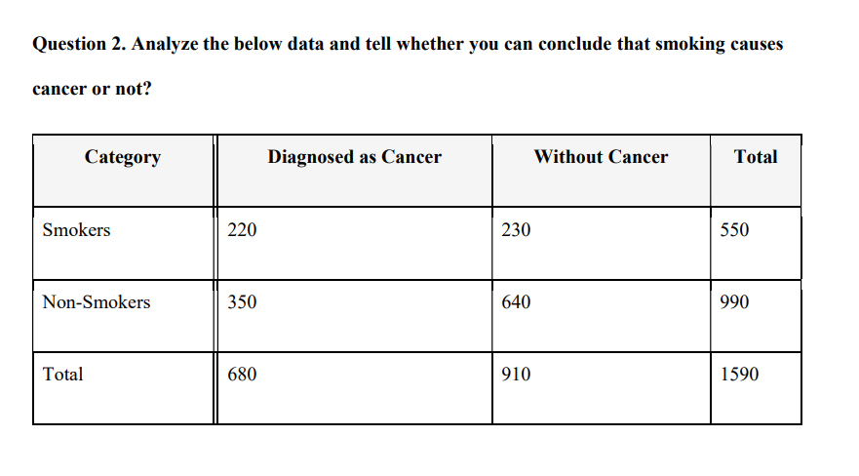

ANS = 01 |  |  |  |  |  |  |  |  | ANS = 02

 | girls |  |  | boys |  |  |  | observed |  |  |  |  |  | expected

 | mean | 89 |  | mean | 82 |  | category | diagnosed as cancer | without cancer | totle |  | category | diagnosed as cancer | without cancer | totle
 | std.dev | 4 |  | std.dev | 9 |  | smoker | 220 | 230 | 550 |  | smoker | 235.22 | 314.779 | 550
 | sample size | 50 |  | sample size | 120 |  | non- smoker | 350 | 640 | 990 |  | non- smoker | 423.396 | 566.603 | 990
 |  |  |  |  |  | totle | 680 | 910 | 1590 |  | totle | 680 | 910 | 1590

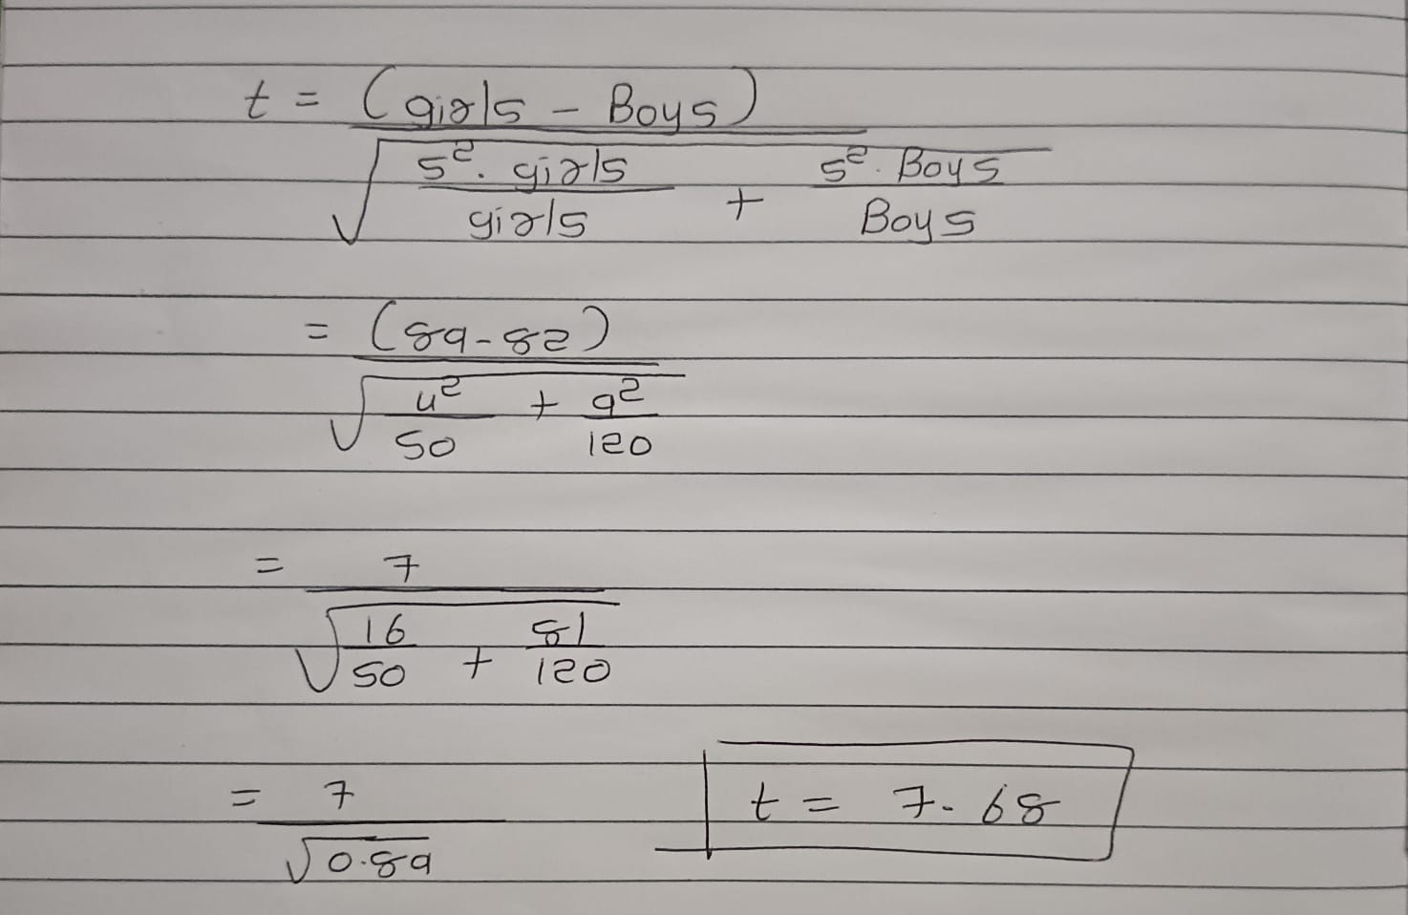
 |  | leval of significance = 5 %
 | t test stastics |  |  |  |  |  |  |  |  |  | x2 value
 |  |  |  |  |  |  |  |  |  |  | p = | 1.2E-11

Diagnosed as Cancer Without Cancer

 | two tail test
 |  | a = 0.05
 |  | = 0.025

 | critical t value is approximately |  | = | 1.98

 | calculated value is graterthan

 |  | t - value

 |  | 7.65 > 1.98

final ans = | we reject the null hyphothes

